Template Help
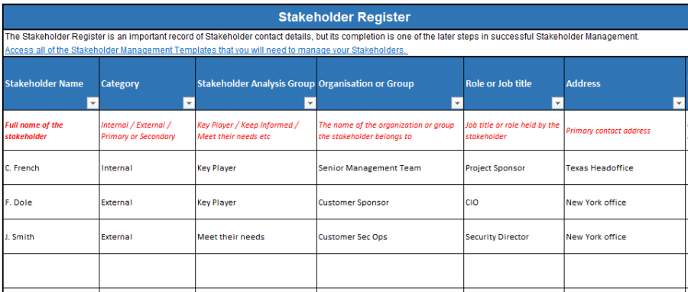
Overview / grading requirements:
A stakeholder register is a document that describes who (individual or group) is affected by a project, and their effect and impact on the project.
A stakeholder register is ideally completed early in the project to ensure proper engagement of stakeholders.
The purpose of the stakeholder register is to document who is impacted by the project/program, and their influence and impact on the project/program.
The stakeholder register is a living document, which serves the project manager and team for the life the project. It is the index of all project stakeholders and their essential attributes.

Helpful Links:
https://projectriskcoach.com/how-to-develop-a-stakeholder-register/

Example:

